Sheet1
Batch Size | Epochs | Learning Rate | Accuracy of Network | Accuracy of none | Accuracy of Enemy
5 | 1 | 0.001 | 89.00% | 86.37% | 91.69%
10 | 1 | 0.001 | 88.00% | 85.58% | 91.93%
16 | 1 | 0.001 | 82.00% | 85.89% | 77.75%
32 | 1 | 0.001 | 75.00% | 61.45% | 86.02%
64 | 1 | 0.001 | 75.00% | 64.83% | 85.38%

5 | 5 | 0.001 | 98.00% | 98.00% | 98.00%
10 | 5 | 0.001 | 99.00% | 99.00% | 99.00%
16 | 5 | 0.001 | 98.00% | 98.00% | 99.00%
32 | 5 | 0.001 | 99.00% | 98.00% | 99.00%
64 | 5 | 0.001 | 96.00% | 99.00% | 95.00%

5 | 1 | 0.003 | 93.89% | 93.61% | 94.18%
10 | 1 | 0.003 | 89.11% | 92.57% | 85.73%
16 | 1 | 0.003 | 84.45% | 76.93% | 90.96%
32 | 1 | 0.003 | 82.94% | 82.94% | 88.02%
64 | 1 | 0.003 | 75.01% | 66.37% | 82.03%

5 | 1 | 0.0001 | 77.45% | 71.73% | 82.13%
10 | 1 | 0.0001 | 71.85% | 56.86% | 84.52%
16 | 1 | 0.0001 | 69.04% | 71.41% | 66.66%
32 | 1 | 0.0001 | 69.49% | 59.87% | 78.52%
64 | 1 | 0.0001 | 54.25% | 0.53% | 99.44%

5 | 1 | 0.000001 | 45.85% | 100.00% | 0.00%
10 | 1 | 0.000001 | 54.18% | 0.00% | 100.00%
16 | 1 | 0.000001 | 45.74% | 100.00% | 0.00%
32 | 1 | 0.000001 | 54.18% | 0.00% | 100.00%
64 | 1 | 0.000001 | 54.13% | 0.00% | 100.00%

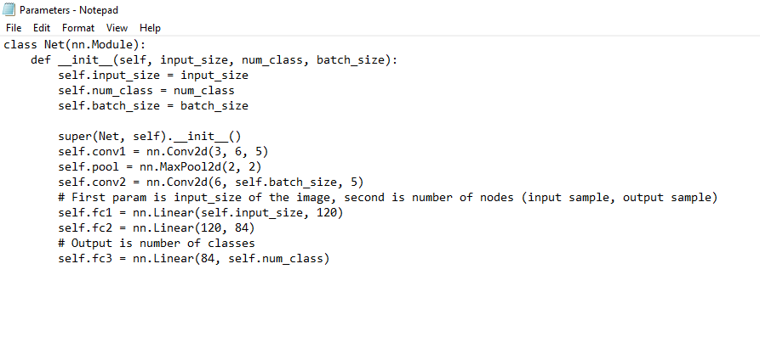

Started to try changing the learning rate to see what kind of results the model would produce. It seems that with too little of a training rate, the model seems to underfit the data and fail to learn properly.
This is evident in the accuracy approaching 50% (the worst possible result) as the learning rate decreases.

